Project5186
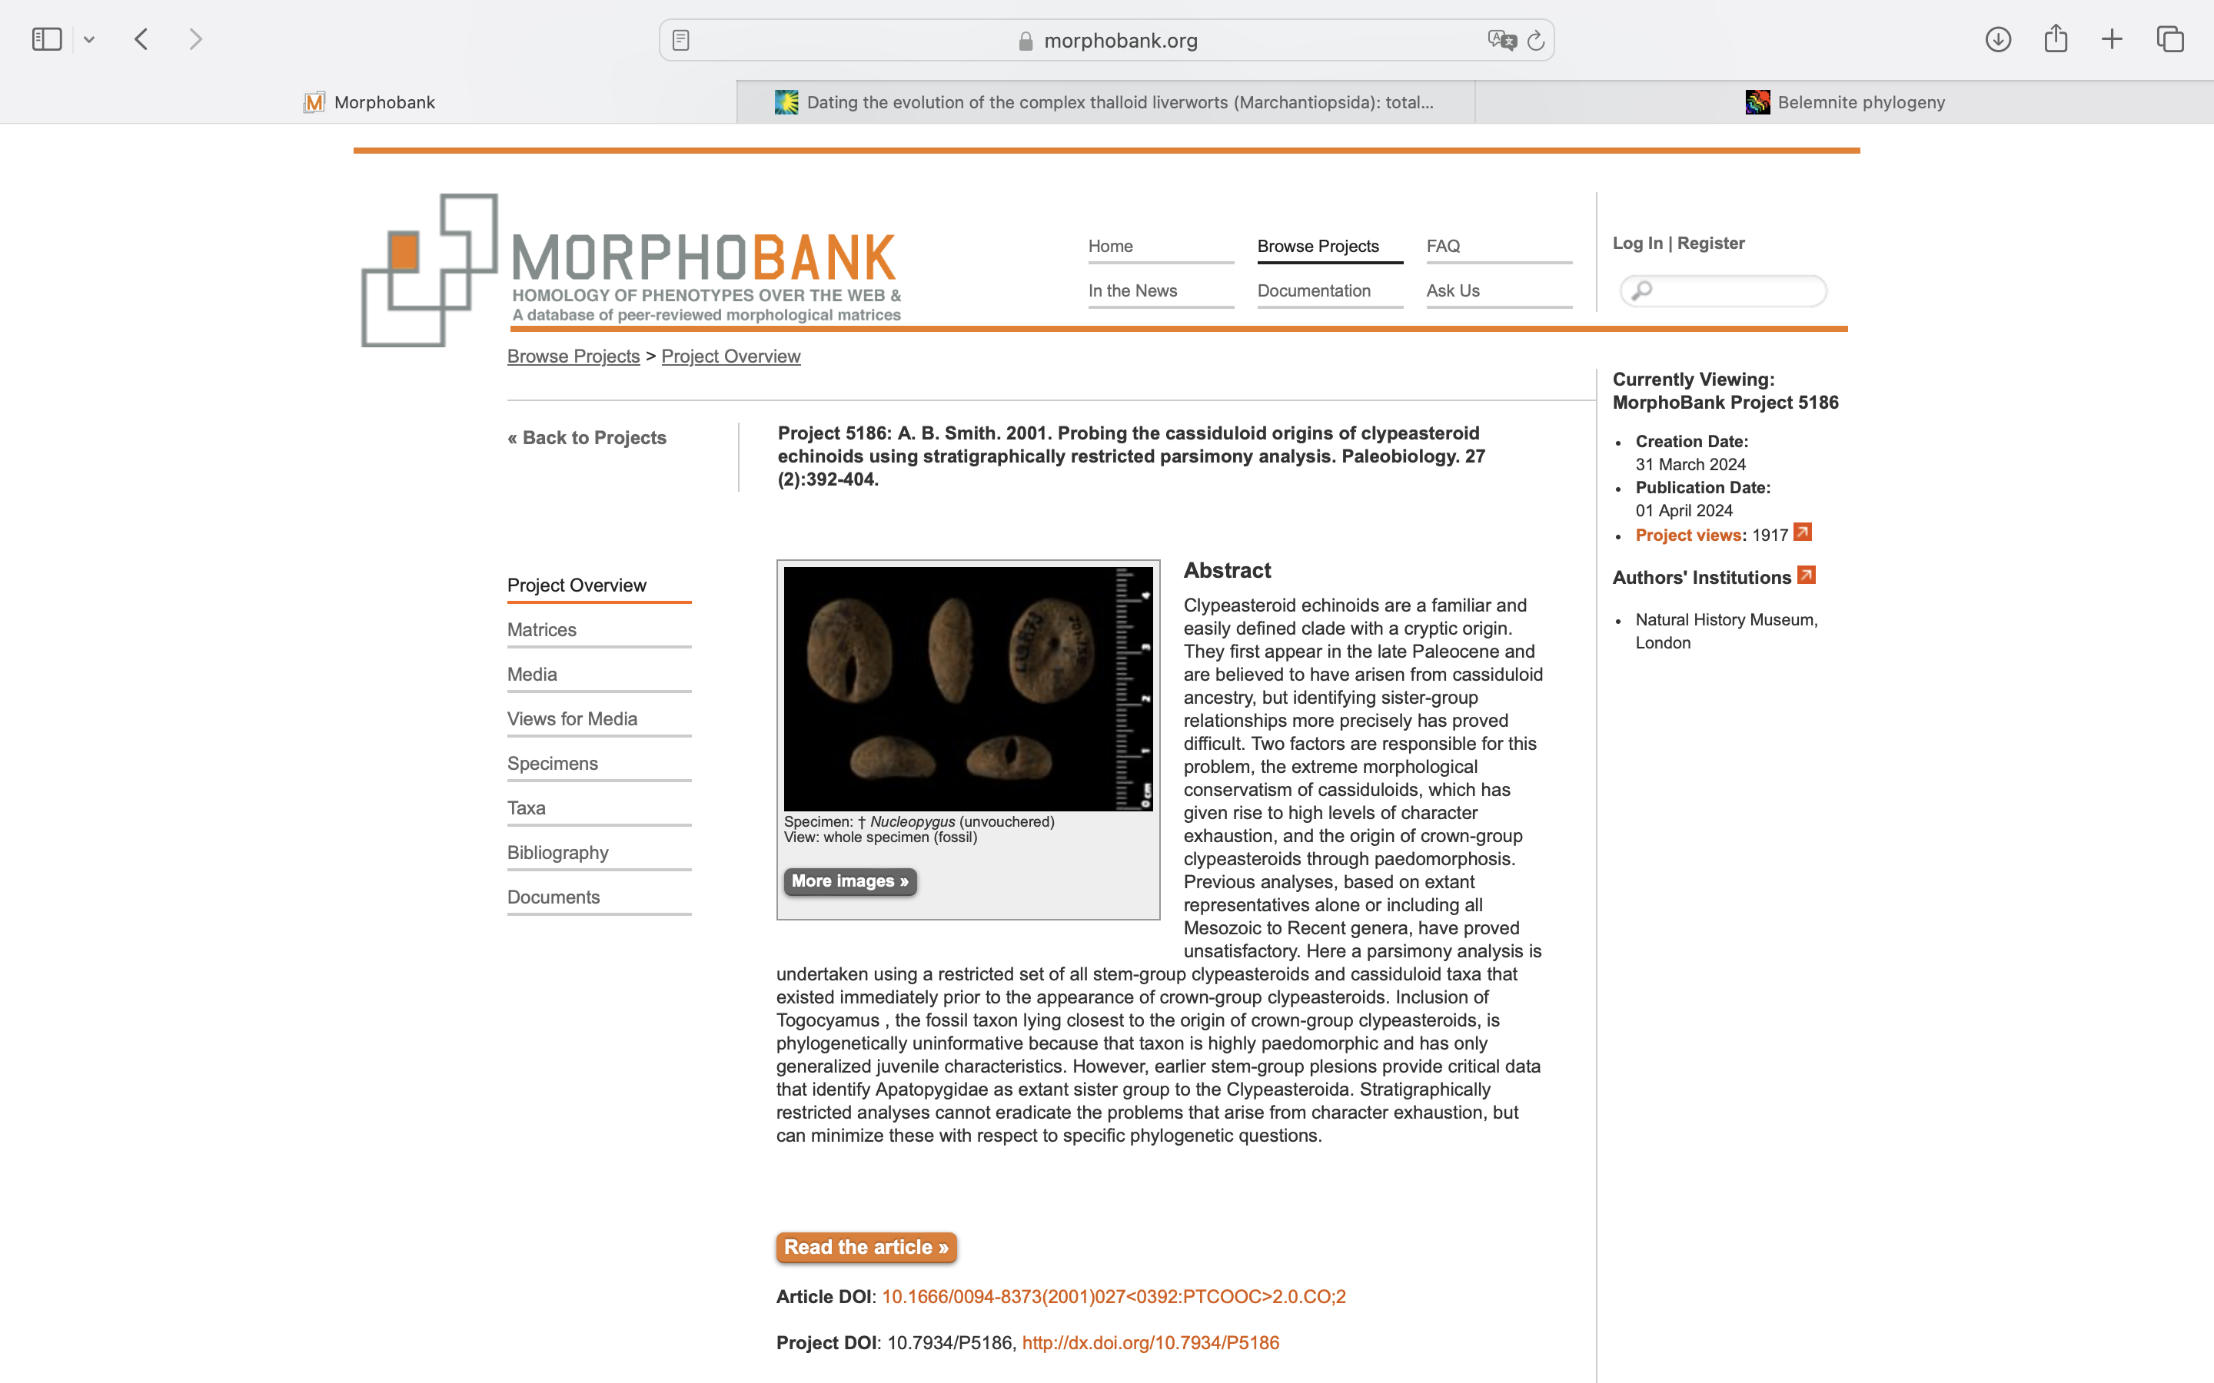
Charlabels | Character Pattern | Unseen States
[1] 'Apical disk plating' | Transformational | YES
[2] 'Gonopore number' | Transformational | YES
[3] 'Sexual dimorphism in gonopore size' | Neomorphic | NO
[4] 'Gonopore opening' | Transformational | YES
[5] 'Shape of petals' | Transformational | YES
[6] 'Petal length' | Transformational | YES
[7] 'Column in each petal' | T?;0=0;1=1;2=? | YES
[8] 'Petal termination' | Transformational | YES
[9] 'Shape of periproct' | Transformational | NO
[10] 'Position of periproct' | Transformational | YES
[11] 'Subanal region' | T?;0=0;1=1;2=? | YES
[12] 'Periproct opening forming tubelike invagination' | Neomorphic | NO
[13] 'Roof of periproct distinctly notched' | Neomorphic | NO
[14] 'Periproct with wide subanal depression forming platform' | Neomorphic | NO
[15] 'Shape of peristome' | Transformational | YES
[16] 'Shape of peristome - 2' | Transformational | YES
[17] 'Shape of peristome - 3' | Transformational | YES
[18] 'Position of peristome' | T?;0=0;1=1;2=2;3=? | YES
[19] 'Perioral area' | Transformational | YES
[20] 'Basicoronal interambulacral plates' | T?;0=0;1=1;2=? | YES
[21] 'Interambulacra adjacent to peristome' | Transformational | YES
[22] 'Pseudobourrelets (projections formed of multiple interambulacral plates)' | N;0=0;1=1;2=? | NO
[23] 'Liplike rim to peristome' | Neomorphic | NO
[24] 'Dense peribuccal granulation around the peristome' | Transformational | YES
[25] 'Ambulacral pores beneath petals' | T?;0=0;1=1;2=? | YES
[26] 'Pyrinoid ambulacral plating present adorally' | Neomorphic | NO
[27] 'Ambulacra with small superficial deniplates that do not extend to the interior but are floored by other ambulacral plates' | Neomorphic | NO
[28] 'Buccal pores' | Transformational | NO
[29] 'Position of buccal pores' | Transformational | YES
[30] 'Buccal pores - 2' | T?;0=0;1=1;2=? | YES
[31] 'Buccal pores - 3' | Transformational | YES
[32] 'Phyllodes' | Transformational | YES
[33] 'Phyllodes - 2' | T?;0=0;1=1;2=? | YES
[34] 'Phyllode shape' | Transformational | YES
[35] 'Inner series of pores in phyllode rudimentary, confined to small arc at adambital end of phyllode' | N;0=0;1=1;2=? | NO
[36] 'Sphaeridial pits' | Transformational | YES
[37] 'Lantern muscle attachment structures developed as peglike outgrowths on interior of test in adult' | N;0=0;1=1;2=? | NO
[38] 'Internal radial buttressing developed' | Neomorphic | NO
[39] 'Oral surface to rear of peristome' | Transformational | YES
[40] 'Oral surface in front of peristome' | T?;0=0;1=1;2=? | YES
[41] 'Oral surface with ornament of dense pits in tubercle-free zones' | Neomorphic | NO

